PCB BOM
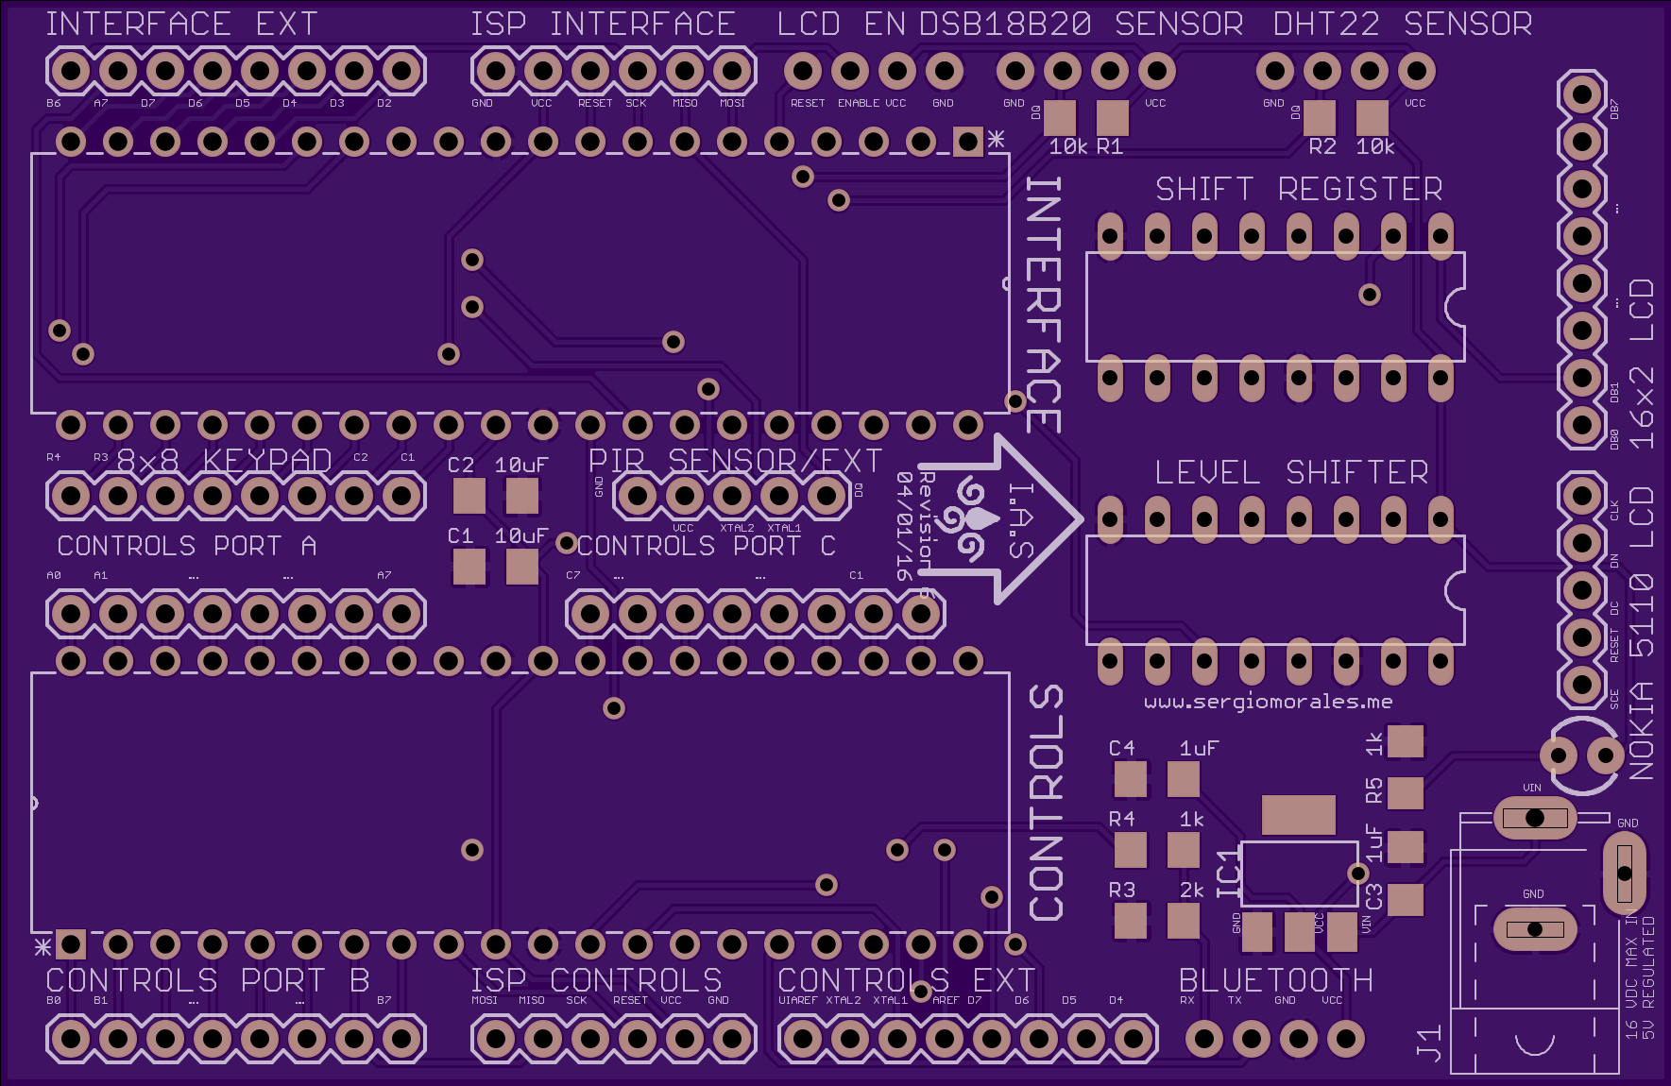
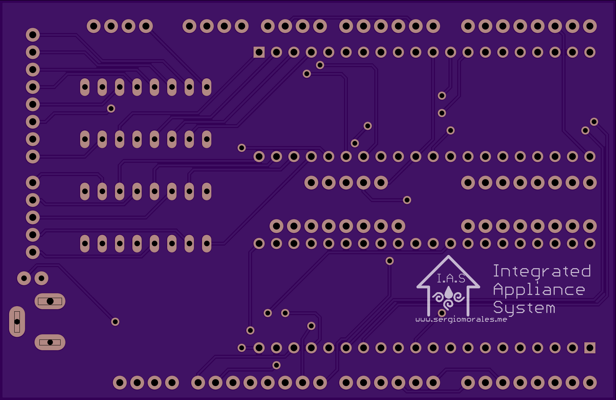
Index | Store | Store Part # | Manufacturer Part # | Description | Device Packaging | Qty | Unit Price | Price | Comments
1 | Digikey | ATMEGA1284-PU-ND | ATMEGA1284-PU | Atmega1284 Microcontroller | Through-hole | 2 | $7.60 | $15.20 | Main Controllers
2 | Digikey | 296-1600-5-ND | 296-1600-5-ND | 8-bit Shift Register | Through-hole | 1 | $0.58 | $0.58 | Used to reduce amount of pins needed
3 | Digikey | 311-10KERCT-ND | RC1206JR-0710KL | 10K Ohm Resistor | 1206 | 2 | $0.10 | $0.20 | Pull-up resistors for Sensors
4 | Digikey | 311-1.00KFRCT-ND | RC1206FR-071KL | 1K Ohm Resistor | 1206 | 2 | $0.03 | $0.06 | Used for Bluetooth RX pin as voltage divider | `
5 | Digikey | 311-2.0KERCT-ND | RC1206JR-072KL | 2K Ohm Resistor | 1206 | 1 | $0.02 | $0.02 | Used for Bluetooth RX pin as voltage divider
6 | Digikey | 311-1356-1-ND | CC1206KKX7R8BB105 | 1 uF 25V Capacitor | 1206 | 2 | $0.12 | $0.24 | Stabilizes input voltage/current
7 | Digikey | 587-1353-1-ND | TMK316F106ZL-T | 10uF 25V Capacitor | 1206 | 2 | $0.26 | $0.51 | Stabilizes regulated voltage/current
8 | Digikey | 296-9213-5-ND | CD74HC4050E | 5V to 3.3V Level Shifter | 16DIP | 1 | $0.48 | $0.48 | Converts power to 3.3V for Nokia LCD
9 | Digikey | S7006-ND | PPTC081LFBN-RC | 8-pin header | Through-hole .1" | 7 | $0.66 | $4.65 | Header pins for component connections
10 | Digikey | S7004-ND | PPTC061LFBN-RC | 6-pin header | Through-hole .1" | 2 | $0.68 | $1.36 | Header pins for component connections
11 | Digikey | S7038-ND | PPPC051LFBN-RC | 5-pin header | Through-hole .1" | 2 | $0.65 | $1.30 | Header pins for component connections
12 | Digikey | S7002-ND | PPTC041LFBN-RC | 4-pin header | Through-hole .1" | 4 | $0.46 | $1.85 | Header pins for component connections
14 | Digikey | AZ1117EH-5.0TRG1DICT-ND | AZ1117EH-5.0TRG1 | 5V Fixed Voltage Regulator (16V Max Input @ 1A) | SOT-223 | 1 | $0.43 | $0.43 | Input regulator (5V)
15 | Digikey | CP-102A-ND | PJ-102B | 2.0mm DC barrel-power jack | Through-hole | 1 | $1.00 | $1.00 | Connector jack for power
16 | Digikey | 754-1724-ND | WP710A10SGD5V | Power Status LED | Through-hole | 1 | $0.44 | $0.44 | LED indicator for power on
17 | Digikey | AE9992-ND | A16-LC-TT | 16-DIP Socket | Through-hole | 2 | $0.25 | $0.50 | Allows non-solder connections for chips
18 | Digikey | 609-4716-ND | DILB40P-223TLF | 40-DIP Socket | Through-hole | 2 | $0.58 | $1.16 | Allows non-solder connections for chips
19 | OSH Park | N/A | OSHPark.com | PCB Board Manufacturing (3.54x2.30 inches) | 2-layer PCB | 1 | $40.65 | $40.65 | 3 Boards Included
 |  |  |  | Total |  |  |  | $70.63

